Spanish (Colombia)
Genentech GA45331_GA45332 PatientConnect eCOA Handheld Screenshots
 | Project Information
 | Sponsor name and Protocol number: | Genentech GA45331_GA45332
 | Source Language: | English (US)
 | Target Language: | Spanish (Colombia)
 | Screenshot Document Date: | 4-Dec-24
 | Screenshot Document Version: | 1.00
Screen Name | English Screen Shot | Translated Screen Shot | Comments
study#patientConnectCompliance_DynamicText1.png | 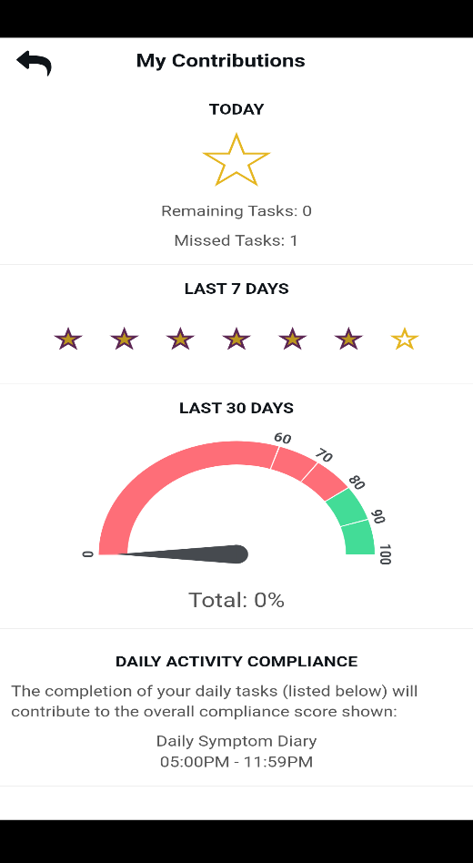 | 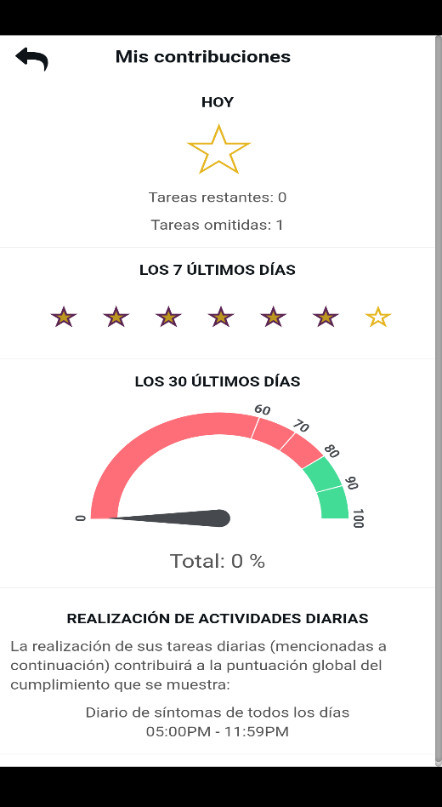
study#patientConnectContacts_DynamicText1.png | 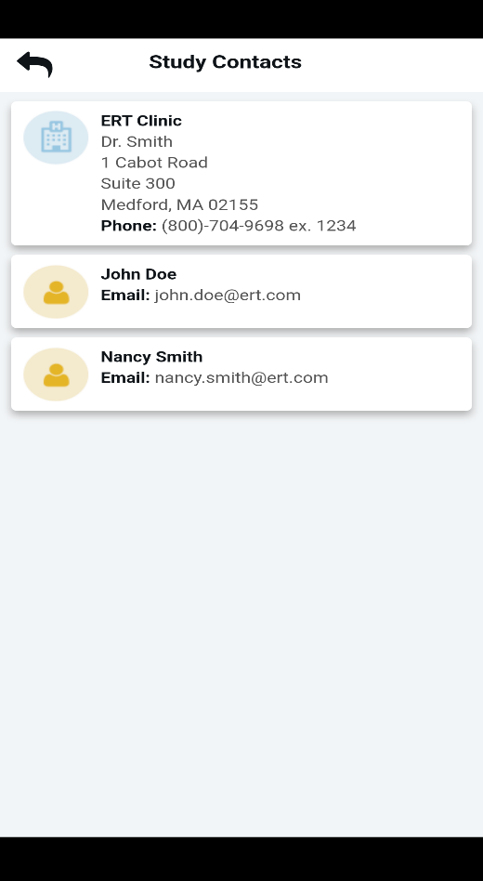 | 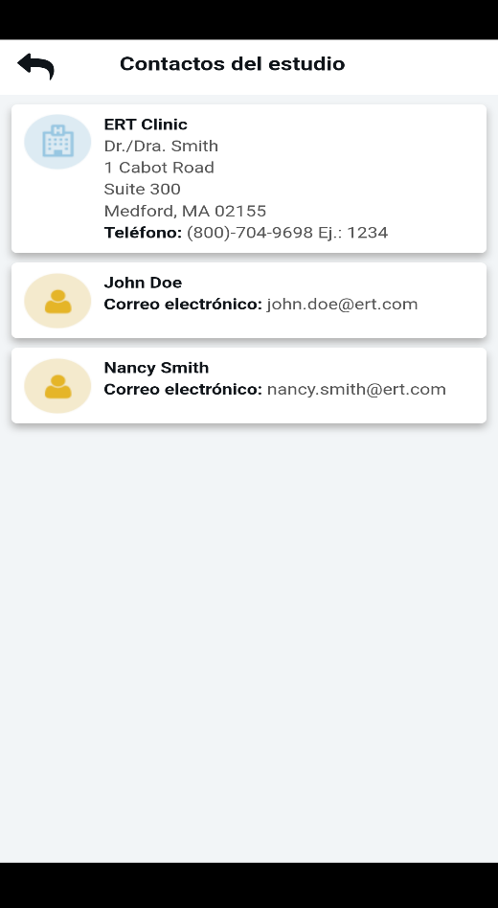
study#patientConnectDailyProgress_DynamicText1.png |  | 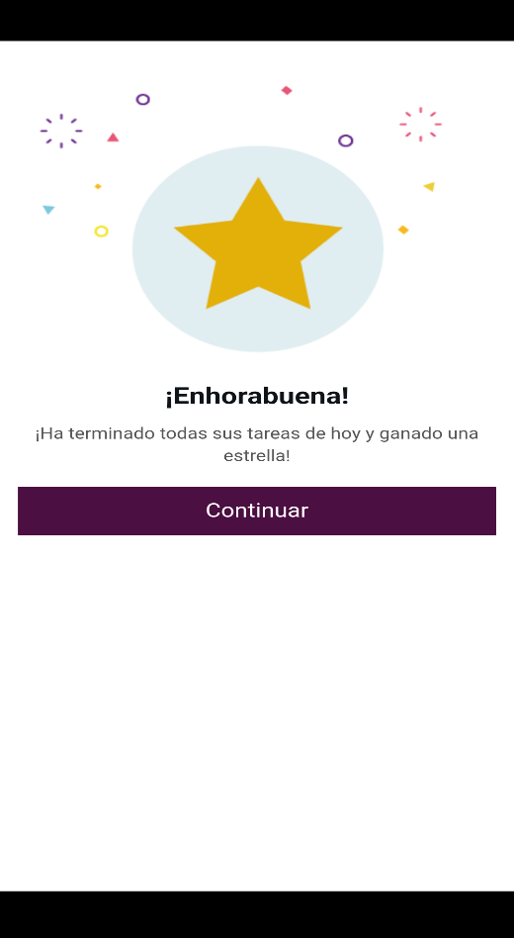
study#patientConnectDailyProgress_MISS_TASKS.png | 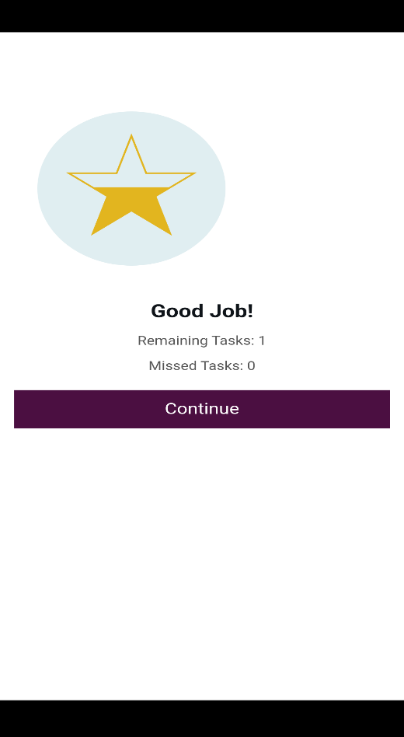 | 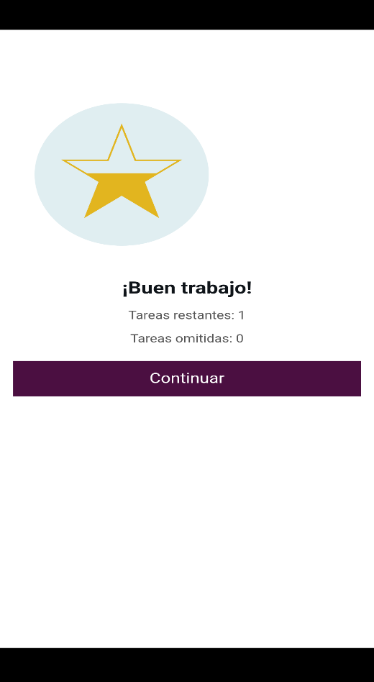
study#patientConnectDailyProgress_TASKS_COMPLETED.png
study#patientConnectDocuments_DynamicText1.png | 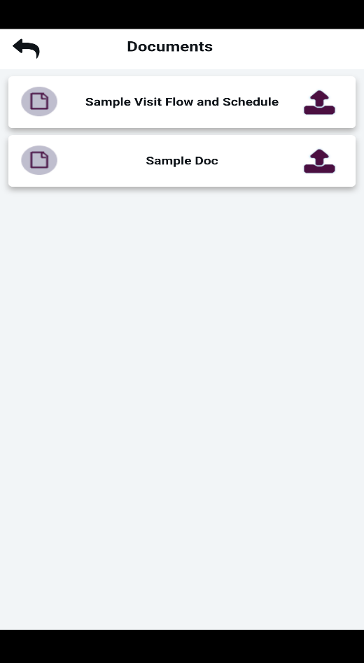 | 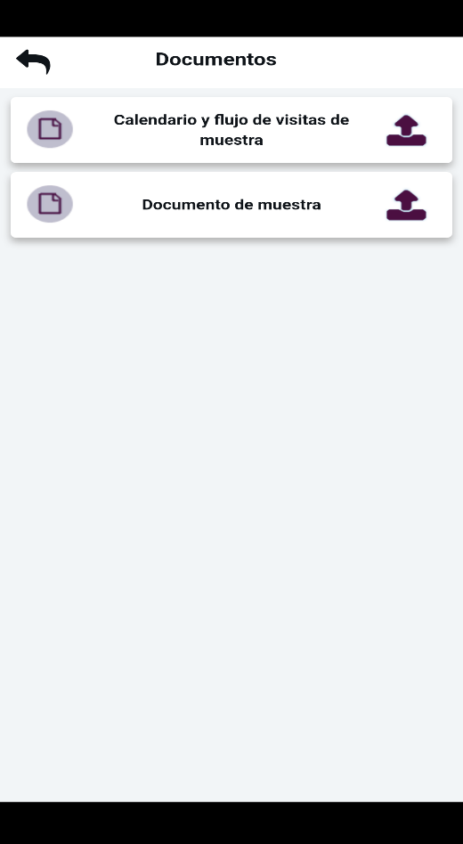
study#patientConnectFAQ_DynamicText1.png | 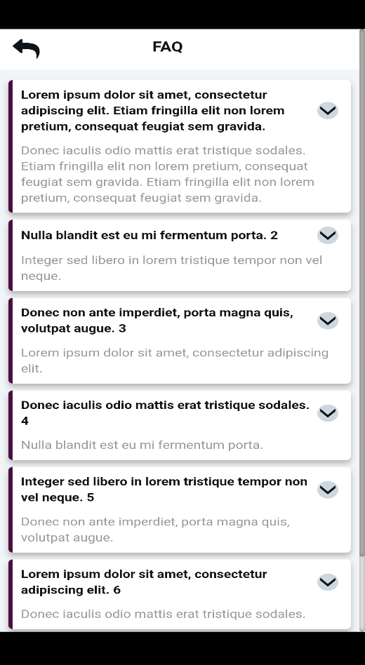 | 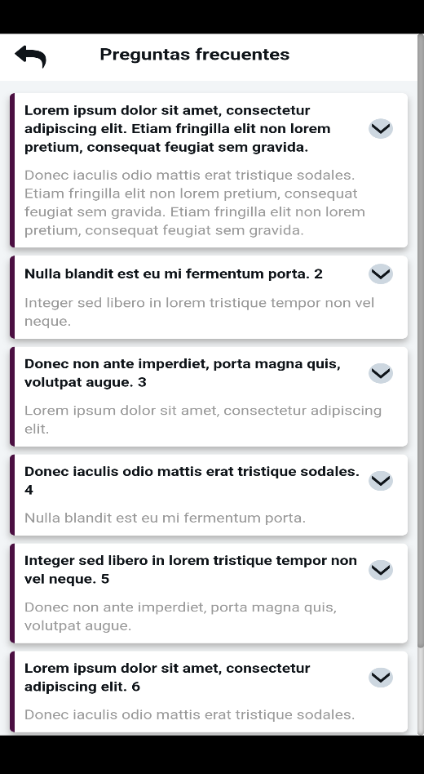
study#patientConnectFAQ_SCROLL1.png
study#patientConnectFAQ_SCROLL2.png | 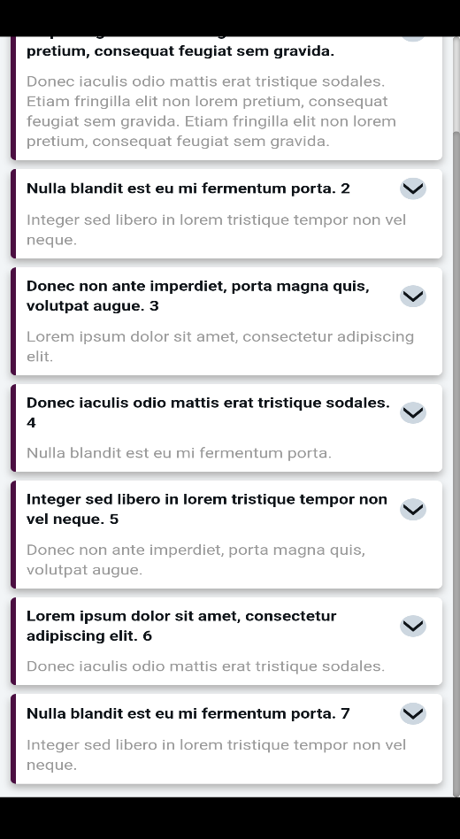 | 
study#patientConnectTutorials_DynamicText1.png |  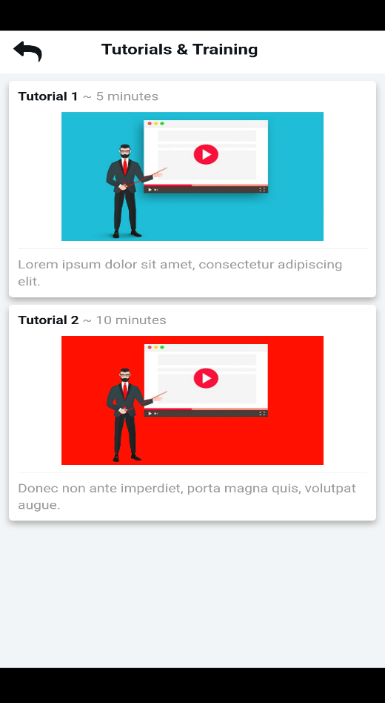 | 